Sheet1
No | Type | Part Number | Brand | Description | Application Summary | Vehicle W/o Engine | Vehicle W/ Engine | OEM | Picture | Url
1 | Engine Oil Pan | 264-012 | Dorman - OE Solutions | Engine Oil Pan | Ford 1984-81 | Ford E-100 Econoline 1981-1983 Ford E-100 Econoline Club Wagon 1981-1983 Ford E-150 Econoline 1981-1984 Ford E-150 Econoline Club Wagon 1981-1984 Ford E-250 Econoline 1981-1984 Ford E-350 Econoline 1981-1982 | Ford E-100 Econoline 1981-1983 V8 302 5.0L Ford E-100 Econoline Club Wagon 1981-1983 V8 302 5.0L Ford E-150 Econoline 1981-1983 Naturally Aspirated; V8 302 5.0L; VIN F; CARB; GAS Ford E-150 Econoline 1984 V8 302 5.0L Ford E-150 Econoline Club Wagon 1981-1983 Naturally Aspirated; V8 302 5.0L; VIN F; CARB; GAS Ford E-150 Econoline Club Wagon 1984 V8 302 5.0L Ford E-250 Econoline 1981-1984 V8 302 5.0L Ford E-350 Econoline 1981-1982 V8 302 5.0L | E0UZ 6675-B;D9AZ 6781-A | 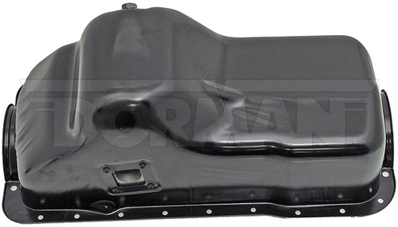 | https://www.dormanproducts.com/p-32211-264-012.aspx?origin=keyword
2 | Engine Oil Pan | 264-024 | Dorman - OE Solutions | Engine Oil Pan | Ford 1982-80 | Ford Bronco 1980-1982 Ford E-100 Econoline 1980-1982 Ford E-100 Econoline Club Wagon 1980-1982 Ford E-150 Econoline 1980-1982 Ford E-150 Econoline Club Wagon 1980-1982 Ford E-250 Econoline 1980-1982 Ford E-250 Econoline Club Wagon 1980 Ford E-350 Econoline 1980-1982 Ford E-350 Econoline Club Wagon 1980-1982 Ford F-100 1980-1982 Ford F-150 1980-1982 Ford F-250 1980-1982 Ford F-350 1980-1982 | Ford Bronco 1980-1982 L6 300 4.9L (4917cc) Ford E-100 Econoline 1980-1982 L6 300 4.9L (4917cc) Ford E-100 Econoline Club Wagon 1980-1982 L6 300 4.9L (4917cc) Ford E-150 Econoline 1980-1982 Naturally Aspirated; L6 300 4.9L (4917cc); VIN E; CARB; GAS Ford E-150 Econoline Club Wagon 1980-1982 Naturally Aspirated; L6 300 4.9L (4917cc); VIN E; CARB; GAS Ford E-250 Econoline 1980-1982 L6 300 4.9L (4917cc) Ford E-250 Econoline Club Wagon 1980 L6 300 4.9L (4917cc) Ford E-350 Econoline 1980-1982 L6 300 4.9L (4917cc) Ford E-350 Econoline Club Wagon 1980-1982 L6 300 4.9L (4917cc) Ford F-100 1980-1982 L6 300 4.9L (4917cc) Ford F-150 1980-1982 L6 300 4.9L (4917cc) Ford F-250 1980-1982 L6 300 4.9L (4917cc) Ford F-350 1980-1982 L6 300 4.9L (4917cc) | E0TZ 6675-A | 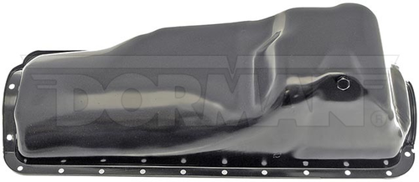 | https://www.dormanproducts.com/p-17619-264-024.aspx?origin=keyword
3 | Engine Oil Pan | 264-118 | Dorman - OE Solutions | Engine Oil Pan | Buick 1979-78, Chevrolet 1979-78, GMC 1982-78, Oldsmobile 1980-78, Pontiac 1981-78 | Buick Century 1978-1979 Buick Regal 1978-1979 Chevrolet El Camino 1978-1979 Chevrolet Malibu 1978-1979 Chevrolet Monte Carlo 1978-1979 GMC Caballero 1978-1982 Oldsmobile Cutlass 1978-1979 Oldsmobile Cutlass Calais 1978-1979 Oldsmobile Cutlass Salon 1978-1980 Oldsmobile Cutlass Supreme 1978-1979 Pontiac Grand Am 1978-1979 Pontiac Grand LeMans 1978-1979 Pontiac Grand Prix 1978-1979 Pontiac LeMans 1978-1981 | Buick Century 1978-1979 V8 305 5.0L Buick Century 1978-1979 V8 350 5.7L Buick Regal 1978-1979 V8 305 5.0L Chevrolet El Camino 1978-1979 V8 305 5.0L Chevrolet El Camino 1979 V8 267 4.4L Chevrolet Malibu 1978-1979 V8 305 5.0L Chevrolet Malibu 1979 V8 267 4.4L Chevrolet Monte Carlo 1978-1979 V8 305 5.0L Chevrolet Monte Carlo 1979 V8 267 4.4L GMC Caballero 1978-1979 V8 305 5.0L GMC Caballero 1979-1982 Naturally Aspirated; V8 267 4.4L; VIN J; CARB; GAS Oldsmobile Cutlass 1978-1979 V8 305 5.0L Oldsmobile Cutlass Calais 1978-1979 V8 305 5.0L Oldsmobile Cutlass Salon 1978 Naturally Aspirated; V8 305 5.0L; VIN U; CARB; GAS Oldsmobile Cutlass Salon 1978-1980 Naturally Aspirated; V8 305 5.0L; VIN H; CARB; GAS Oldsmobile Cutlass Supreme 1978 V8 350 5.7L Oldsmobile Cutlass Supreme 1978-1979 V8 305 5.0L Pontiac Grand Am 1978-1979 V8 305 5.0L Pontiac Grand LeMans 1978-1979 V8 305 5.0L Pontiac Grand LeMans 1979 V8 350 5.7L Pontiac Grand Prix 1978-1979 V8 305 5.0L Pontiac LeMans 1978-1979 V8 305 5.0L Pontiac LeMans 1979 V8 350 5.7L Pontiac LeMans 1979-1981 Naturally Aspirated; V8 267 4.4L; VIN J; CARB; GAS | 464607 | 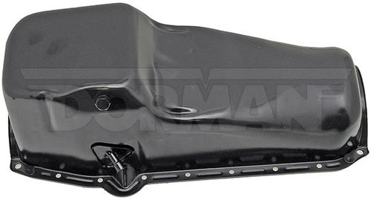 | https://www.dormanproducts.com/p-2022-264-118.aspx?origin=keyword
4 | Engine Oil Pan | 264-300 | Dorman - OE Solutions | Engine Oil Pan | Geo Prizm 1992-90, Toyota Celica 1993-90, Toyota Corolla 1992-88, Toyota MR2 1989-88 | Geo Prizm 1990-1992 Toyota Celica 1990-1993 Toyota Corolla 1988-1992 Toyota MR2 1988-1989 | Geo Prizm 1990-1992 L4 1.6L (1587cc); VIN 6 Toyota Celica 1990-1993 L4 1.6L (1587cc) Toyota Corolla 1988-1989 L4 1.6L (1587cc); Engine Desg. 4AF Toyota Corolla 1989-1992 Sedan; L4 1.6L (1587cc); Engine Desg. 4A-FE Toyota Corolla 1990-1991 Coupe; L4 1.6L (1587cc); Engine Desg. 4A-FE Toyota MR2 1988-1989 L4 1.6L (1587cc) | 12101-15070 | 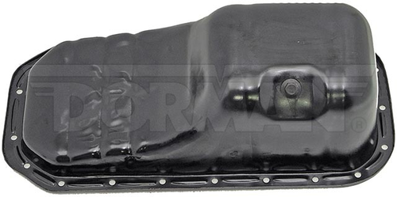 | https://www.dormanproducts.com/p-3053-264-300.aspx?origin=keyword
5 | Engine Oil Pan | 264-301 | Dorman - OE Solutions | Engine Oil Pan | Toyota Corolla 1991-88, Toyota MR2 1989-88 | Toyota Corolla 1988-1991 Toyota MR2 1988-1989 | Toyota Corolla 1988-1991 L4 1.6L (1587cc); Engine Desg. 4A-GE Toyota MR2 1988-1989 L4 1.6L (1587cc) | 1210116060;1210116061;1210116090 | 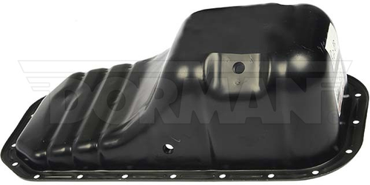 | https://www.dormanproducts.com/p-15500-264-301.aspx?origin=keyword
6 | Engine Oil Pan | 264-863 | Dorman - OE Solutions | Engine Oil Pan | Infiniti Q50 2020-16, Infiniti Q60 2020-17 | Infiniti Q50 2016-2020 Infiniti Q60 2017-2020 | Infiniti Q50 2016-2020 AWD; V6 3.0L (2997cc) Infiniti Q60 2017-2020 AWD; V6 3.0L (2997cc) | 111105CB1B;111105CB2B | 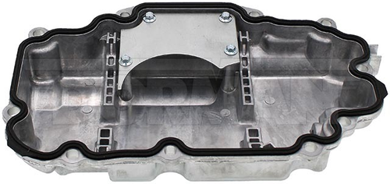 | https://www.dormanproducts.com/p-153595-264-863.aspx?origin=keyword
7 | Engine Oil Pan | 264-864 | Dorman - OE Solutions | Engine Oil Pan | Infiniti Q50 2020-16, Infiniti Q60 2020-17, Nissan Z 2024-23 | Infiniti Q50 2016-2020 Infiniti Q60 2017-2020 Nissan Z 2023-2024 | Infiniti Q50 2016-2020 RWD; V6 3.0L (2997cc) Infiniti Q60 2017-2020 RWD; V6 3.0L (2997cc) Nissan Z 2023-2024 V6 3.0L (2997cc) | 111105CA1A;111105CA2A | 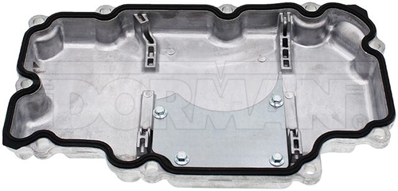 | https://www.dormanproducts.com/p-152638-264-864.aspx?origin=keyword
8 | Engine Oil Pan | 266-003 | Dorman - OE Solutions | Engine Oil Pan | Lexus 2023-16, Toyota 2023-17 | Lexus ES350 2019-2023 Lexus RX350 2016-2022 Lexus RX350L 2018-2022 Lexus RX450h 2016-2022 Lexus RX450hL 2018-2022 Toyota Avalon 2019-2022 Toyota Camry 2018-2023 Toyota Highlander 2017-2022 Toyota Sienna 2017-2020 | Lexus ES350 2019-2023 V6 3.5L (3456cc) Lexus RX350 2016-2022 V6 3.5L (3456cc) Lexus RX350L 2018-2022 V6 3.5L (3456cc) Lexus RX450h 2016-2022 V6 3.5L (3456cc) Lexus RX450hL 2018-2022 V6 3.5L (3456cc) Toyota Avalon 2019-2022 V6 3.5L (3456cc) Toyota Camry 2018-2023 V6 3.5L (3456cc) Toyota Highlander 2017-2022 V6 3.5L (3456cc) Toyota Sienna 2017-2020 V6 3.5L (3456cc) | 121020P040;121020P041;1210231100;1210231101 | 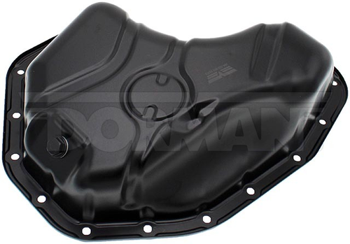 | https://www.dormanproducts.com/p-152639-266-003.aspx?origin=keyword
9 | Engine Oil Pan | 266-004 | Dorman - OE Solutions | Engine Oil Pan | Lexus 2023-19, Toyota 2023-18 | Lexus ES250 2021-2023 Lexus ES300h 2019-2023 Lexus NX250 2022-2023 Lexus NX350h 2022-2023 Lexus NX450h+ 2022-2023 Lexus RX350h 2023 Toyota Avalon 2019-2022 Toyota Camry 2018-2023 Toyota Crown 2023 Toyota Highlander 2020-2023 Toyota RAV4 2019-2023 Toyota RAV4 Prime 2021-2023 Toyota Sienna 2021-2023 Toyota Venza 2021-2023 | Lexus ES250 2021-2023 L4 152 2.5L (2487cc) Lexus ES300h 2019-2023 L4 152 2.5L (2487cc) Lexus NX250 2022-2023 L4 152 2.5L (2487cc) Lexus NX350h 2022-2023 L4 152 2.5L (2487cc) Lexus NX450h+ 2022-2023 L4 152 2.5L (2487cc) Lexus RX350h 2023 L4 152 2.5L (2487cc) Toyota Avalon 2019-2022 L4 152 2.5L (2487cc) Toyota Camry 2018-2023 L4 152 2.5L (2487cc) Toyota Crown 2023 L4 152 2.5L (2487cc) Toyota Highlander 2020-2023 L4 152 2.5L (2487cc) Toyota RAV4 2019 L4 152 2.5L (2487cc); Canada Region Toyota RAV4 2019 L4 152 2.5L (2487cc); United States Region Toyota RAV4 2020-2023 L4 152 2.5L (2487cc) Toyota RAV4 Prime 2021-2023 L4 152 2.5L (2487cc) Toyota Sienna 2021-2023 L4 152 2.5L (2487cc) Toyota Venza 2021-2023 L4 152 2.5L (2487cc) | 1210225010;12102F0010 | 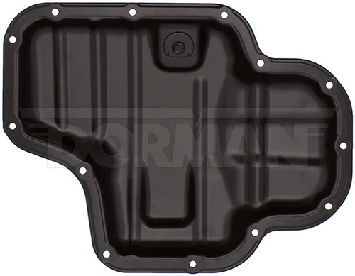 | https://www.dormanproducts.com/p-152746-266-004.aspx?origin=keyword
10 | Engine Oil Pan Gasket | 264-6005G | Dorman - HD Solutions | Engine Oil Pan Gasket | 2024-03 | American Coach American Dream 2021-2024 American Coach American Eagle 2021-2024 American LaFrance Condor 2012 Autocar LLC. Xpeditor 2010-2013 Entegra Coach Cornerstone 2021-2024 Foretravel Motorhome Realm FS605 2021-2024 Foretravel Motorhome Realm Presidential Series 2021-2024 Freightliner 122SD 2013-2021 Freightliner Argosy 2003-2012 Freightliner Cascadia 113 2012-2014 Freightliner Cascadia 125 2009-2014 Freightliner Cascadia 2009-2024 Freightliner Century Class 2003-2007 Freightliner Columbia 120 2003-2014 Freightliner Columbia 2003-2019 Freightliner Coronado 122 2010-2014 Freightliner Coronado 132 2003-2012 Freightliner Coronado 2003-2016 Freightliner FLD 120 2003-2011 Freightliner FLD 132 2003-2011 Freightliner FLD120 2003 Freightliner FLD120 SD 2007-2011 Freightliner FLD132 2003-2011 Freightliner XC Modular Rail 2013-2023 Freightliner XC Raised Rail 2015-2021 International 5500i 2003-2011 International 5600 2004-2009 International 5600i 2003-2016 International 5900 2003-2009 International 5900i 2003-2017 International 9200 2003-2008 International 9200i 2015 International 9200i SBA 2003-2008 International 9400 2003-2009 International 9400i SBA 2003-2010 International 9900i 2003-2018 International 9900ix 2004-2009 International HX520 2018-2024 International HX620 2017-2024 International LT (Mexico) 2021-2023 International LT625 2017-2024 International LoneStar (Mexico) 2018 International LoneStar 2009-2024 International ProStar 2007-2020 Kenworth C500 2003-2016 Kenworth T2000 2003-2011 Kenworth T600A 2003-2007 Kenworth T660 (Mexico) 2020 Kenworth T660 2008-2019 Kenworth T680 2013-2024 Kenworth T700 2011-2015 Kenworth T800 2003-2024 Kenworth T880 2015-2024 Kenworth W900 2003-2024 Kenworth W990 2019-2024 Mack CL 2003-2007 Motor Coach Industries J4500 2020-2021 Newmar Essex 2021-2024 Newmar King Aire 2021-2024 Newmar London Aire 2021-2024 Oshkosh Motor Truck Co. H 2011 Oshkosh Motor Truck Co. S 2011 Peterbilt 320 2010-2011 Peterbilt 357 2003-2007 Peterbilt 365 2008- | American Coach American Dream 2021-2024 Engine Desg. ISX 15.0; EngineMfr Cummins American Coach American Eagle 2021-2024 Engine Desg. ISX 15.0; EngineMfr Cummins American LaFrance Condor 2012 Engine Desg. ISX 15.0; EngineMfr Cummins Autocar LLC. Xpeditor 2010-2013 Engine Desg. ISX 15.0; EngineMfr Cummins Entegra Coach Cornerstone 2021-2024 Engine Desg. ISX 15.0; EngineMfr Cummins Foretravel Motorhome Realm FS605 2021-2024 Engine Desg. ISX 15.0; EngineMfr Cummins Foretravel Motorhome Realm Presidential Series 2021-2024 Engine Desg. ISX 15.0; EngineMfr Cummins Freightliner 122SD 2013-2018 Engine Desg. ISX 15.0; EngineMfr Cummins Freightliner 122SD 2021 Engine Desg. X15; EngineMfr Cummins Freightliner Argosy 2003-2012 Engine Desg. ISX 15.0; EngineMfr Cummins Freightliner Cascadia 113 2012-2014 Engine Desg. ISX 15.0; EngineMfr Cummins Freightliner Cascadia 125 2009-2014 Engine Desg. ISX 15.0; EngineMfr Cummins Freightliner Cascadia 2009-2022 Engine Desg. ISX 15.0; EngineMfr Cummins Freightliner Cascadia 2021-2024 Engine Desg. X15; EngineMfr Cummins Freightliner Century Class 2003-2007 Engine Desg. ISX 15.0; EngineMfr Cummins Freightliner Columbia 120 2003-2014 Engine Desg. ISX 15.0; EngineMfr Cummins Freightliner Columbia 2003-2019 Engine Desg. ISX 15.0; EngineMfr Cummins Freightliner Coronado 122 2010-2014 Engine Desg. ISX 15.0; EngineMfr Cummins Freightliner Coronado 132 2003-2012 Engine Desg. ISX 15.0; EngineMfr Cummins Freightliner Coronado 2003-2016 Engine Desg. ISX 15.0; EngineMfr Cummins Freightliner FLD 120 2003-2011 Engine Desg. ISX 15.0; EngineMfr Cummins Freightliner FLD 132 2003-2011 Engine Desg. ISX 15.0; EngineMfr Cummins Freightliner FLD120 2003 Engine Desg. ISX 15.0; EngineMfr Cummins Freightliner FLD120 SD 2007-2011 Engine Desg. ISX 15.0; EngineMfr Cummins Freightliner FLD132 2003-2011 Engine Desg. ISX 15.0; EngineMfr Cummins Freightliner XC Modular Rail 2013-2017 Engine Desg. ISX 15.0; EngineMfr Cummins Freightliner XC Modular Rail 2021-2023 Engine Des | 131656;3679943;4026684 | 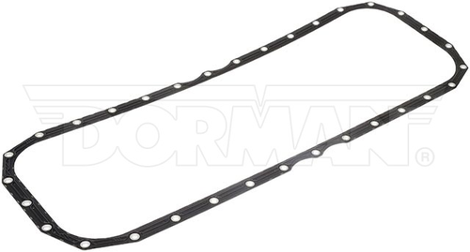 | https://www.dormanproducts.com/p-133461-264-6005g.aspx?origin=keyword

